BIA 500_Assignment _10
i. What variables were included in the models as predictors?

 |  | Ans | Sex | Embarked | Pclass | Age | SibSp | Parch | Fare | Survived

i. What is the best algorithm for the prediction, why? (Hint: use AUC to evaluate the models and report the AUC of the best algorithm)

 |  | Ans | Model | AUC | Standard Deviation | Gains | Total Time | Training Time (1,000 Rows) | Scoring Time (1,000 Rows)
 |  |  | Naive Bayes | 0.843159569 | 0.03266577 | 102 | 6796 | 56.11672278 | 207.2829132
 |  |  | Generalized Linear Model | 0.890031912 | 0.034056175 | 86 | 4488 | 94.27609428 | 98.03921569
 |  |  | Logistic Regression | 0.885618732 | 0.030093416 | 92 | 6048 | 87.54208754 | 78.43137255
 |  |  | Fast Large Margin | 0.873127305 | 0.038944101 | 68 | 5030 | 58.36139169 | 89.63585434
 |  |  | Deep Learning | 0.910826584 | 0.012284955 | 104 | 10636 | 673.4006734 | 148.4593838
 |  |  | Decision Tree | 0.798149002 | 0.026823734 | 92 | 4738 | 34.79236813 | 86.83473389
 |  |  | Random Forest | 0.89874914 | 0.013453344 | 102 | 23228 | 29.18069585 | 322.1288515
 |  |  | Gradient Boosted Trees | 0.895462989 | 0.023165541 | 102 | 23412 | 447.8114478 | 165.2661064
 |  |  | Support Vector Machine | 0.791999359 | 0.023336522 | 34 | 31368 | 1017.957351 | 299.719888

 |  |  | DL whose AUC is 0.91

i. What was the most important predictor in the model?

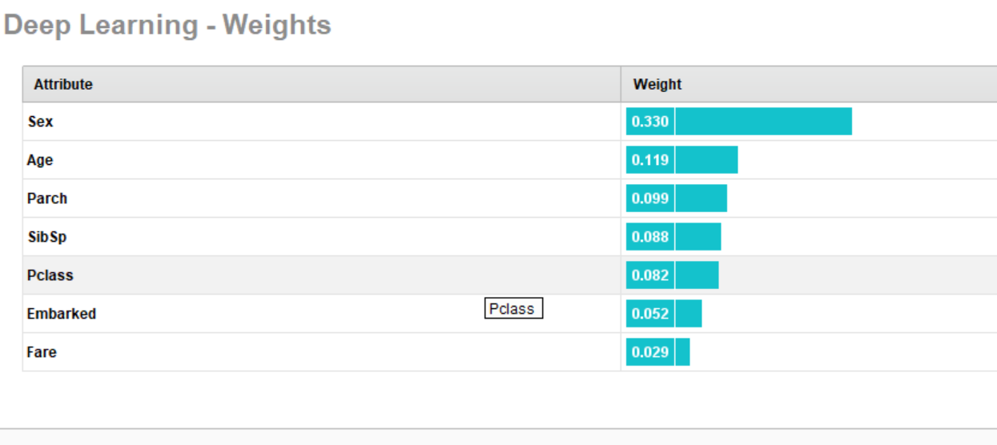

 |  |  | Attribute sex is the most important predictor in the model of weight 0.330

 | i. Export the prediction of the best model in excel and submit it together with a word file with answers to the 3 questions above.

 |  |  | Ans | sheet attached prediction_new

